Hiearchy View
CLASS: SWITCH HEATER
a complete system which provides all necessary control features for electric heating devices on track switches. |  | 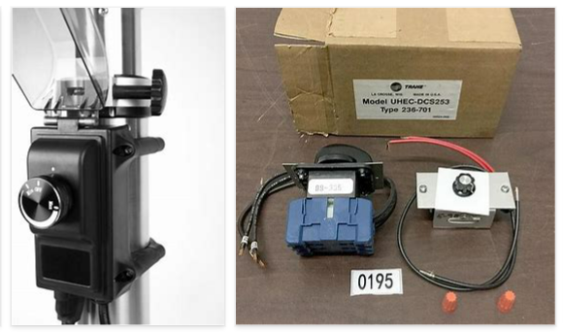
REMOVE | N

PROBLEM_DESC | CAUSE_DESC | REMEDY_DESC
BROKEN/DAMAGED
OTHER PROBLEM
POWER-ELEC
STOPPED/SLOWED/POOR OPS
TEMP-CTRL
VIBRATION
Grand Total

